Sheet1
 |  | Document No. | Issue No. | Issue Date |  | Review and Replace Date |  | Authorised By
 |  | GFF127MC | 2 | 26.09.2019 |  | 22.02.2021
 |  | Document Title | INDIAN SELECTION 200g
 |  |  |  |  |  |  |  | Magda Shah
Document amendments reason for change |  | Shelf life updated |  | Page 1 of 1 | Previous Issue Date |  | 26.09.2019 | Uncontrolled copy unless signed original

CINSC-R6TDTC | DTC (BOOKER) |  | INDIAN SELECTION 200G
STEP 1 |  |  |  | STEP 2
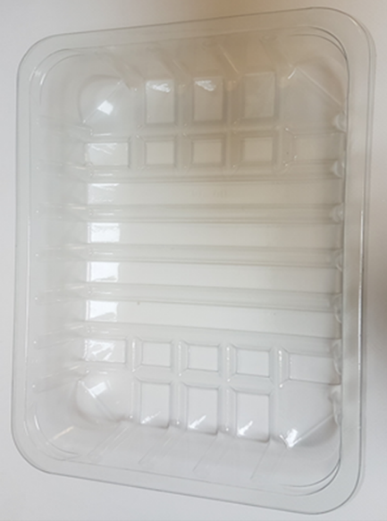 |  |  |  | 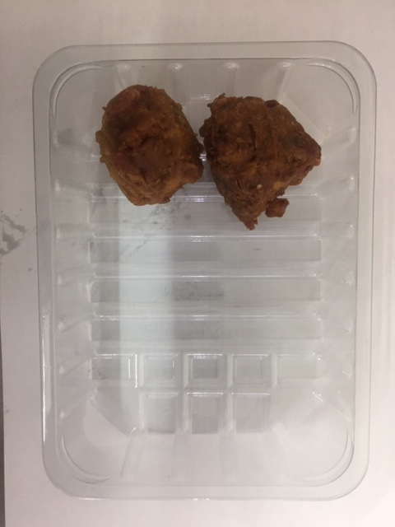

Tray: SK4-Plain Clear (PKESSOO1-07) LINE 2: ME410AFV2, 410mm wide x 1000m linear PET Antifog WELD seal (PKPRO001-12) |  |  |  | 2 x Onion Bhaji 30g (GFF009-1R): 60g

STEP 3 |  |  |  | STEP 4
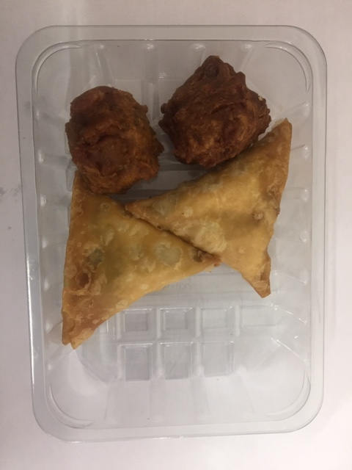 |  |  |  | 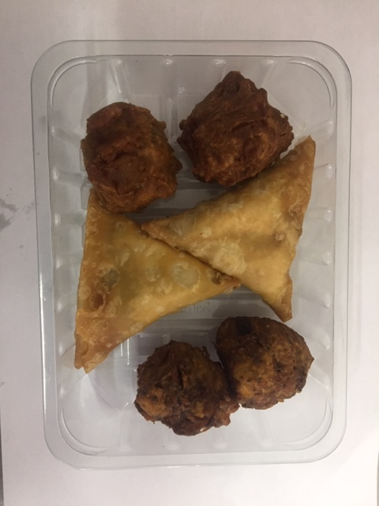

2 x Vegetable Samosa 40g (GFF003R): 80g |  |  |  | 2 x Vegetable Pakora 30g (GFF013-2R): 60g
 |  |  |  | Total Weight: 200g
ALLERGY ALERT: WHEAT

